DB-9 Joysticks
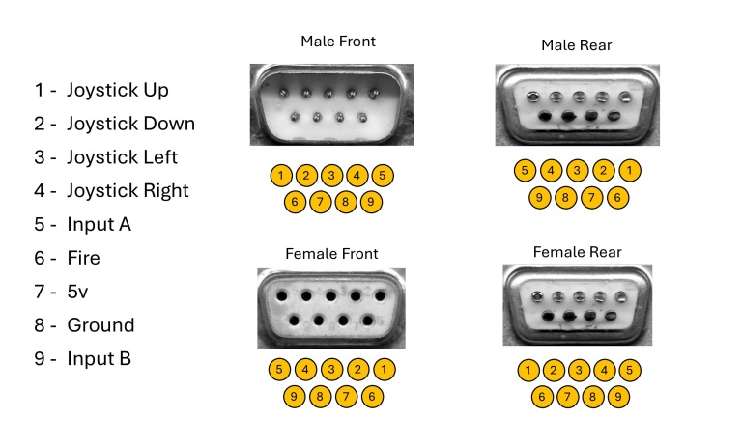
 | DB-9/DE-9 Connector Pin (Male)
Interface Standart | 1 | 2 | 3 | 4 | 5 | 6 | 7 | 8 | 9 | Notes
Amstrad CPC 464(plus)/472/664/6128(plus)/GX4000 | Up | Down | Left | Right | Spare1 | Fire 2 | Fire 1 | Select 1 | Select 2 | Safe to use Atari/Kempston/Commodore joysticks/gamepads without autofire.
Amstrad PC1512/PC1640 | Up | Down | Left | Right | Spare1 | Fire 2 | Fire 1 | Select | - | Safe to use Atari/Kempston/Commodore joysticks/gamepads without autofire.
Atari VCS/400/800/2600/2600+/7800 | Up | Down | Left | Right | Paddle B | Trigger | +5V DC | Ground | Paddle A | Safe to use Atari/Kempston/Commodore joysticks/gamepads and paddles with or without autofire.
Commodore VIC-20/64/128 | Up | Down | Left | Right | Paddle B | Trigger | 5V DC3 | Ground | Paddle A | Safe to use Atari/Kempston/Commodore joysticks/gamepads and paddles with or without autofire.
Kempston | Up | Down | Left | Right | - | Trigger | +5V DC | Ground | -
MSX 1/2/2+/turbo R | Up | Down | Left | Right | 5V DC4 | Fire 2 | Fire 1 | Select | Ground
Sinclair Interface 2 | Up | Down | Left | Right | - | Trigger | - | Ground | -
Timex TC2048 | Up | Down | Left | Right | - | Trigger | +5V DC | Ground | -
Timex TC2068/TS2068 | Up | Down | Left | Right | - | Trigger | +5V DC | Select2 | Ground | Safe to use Atari/Kempston/Commodore joysticks/gamepads without autofire.
ZX Spectrum 128K +2/+2A/+2B)/+3/+3B) | - | Ground | - | Trigger | Up | Right | Left | Ground | Down

 | 1 | Connected/wired but not used.
 | 2 | Selects Joystick port 1 or 2 for reading. This pin is Low (0V) while port is selected or High (+5V), when unselected.
 | 3 | Maximmun 100 mA
 | 4 | Maximmun 50 mA

